Overview
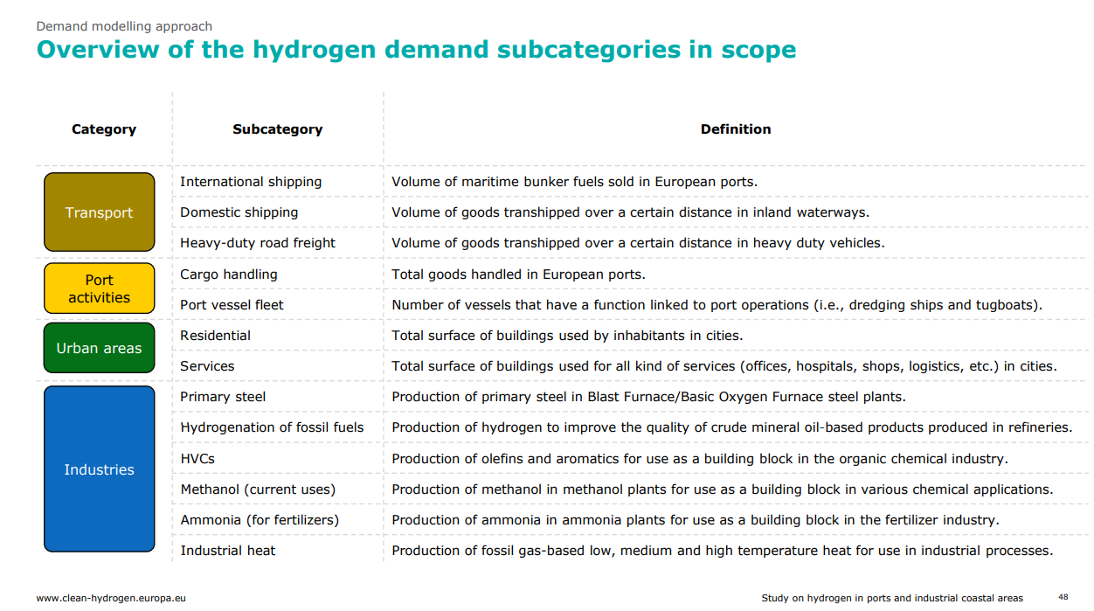

Scenarios - All
Year | Demand forecast | Industry | Transport | Building | Power | TOTAL DEMAND (in TWh/year)
2030 | Guidehouse - EHB (2021) | 294 | 21 | 12 | 12 | 339
2030 | Deloitte/CHJU - Conservative (2023) | 266 | 13 | 0 | 0 | 279
2030 | Deloitte/CHJU - Moderate (2023) | 303 | 30 | 0 | 0 | 333
2030 | Deloitte/CHJU - Ambitious (2023) | 353 | 35 | 0 | 0 | 388
2030 | CHJU Roadmap - BAU (2019) | 427 | 9 | 30 | 15 | 481
2030 | CHJU Roadmap - Ambitious (2019) | 497 | 70 | 33 | 65 | 665
2030 | Aurora - Low (2021) | 400.32 | 4 | 12.51 | 0 | 416.83
2030 | Aurora - Central (2021) | 451 | 18 | 23 | 0 | 492
2030 | Aurora - High (2021) | 484.72 | 58.4 | 40.88 | 0 | 584
2030 | ENTSOG - Distributed (2022) | 200 | 33 | 57 | 0 | 290
2030 | ENTSOG - Global Ambition (2022) | 224 | 53 | 45 | 0 | 322
2030 | BP - Net-zero (2020) | 315.12634045 | 17.010168909 | 16.541859914 | 0 | 348.67836927
2030 | CAN - 1.5°C (2020) | 445.30566444 | 321.87522515 | 0 | 0 | 767.18088959
2030 | DNV - Net-zero (2021) | 292.13569615 | 1.7608757876 | 9.61230131 | 0 | 303.50887325
2030 | EUCalc - Tech (2020) | 262.96963355 | 49.782358205 | 0 | 0 | 312.75199175
2030 | IFS - 1.5 scenario (2019) | 279.4796733 | 154.23666138 | 18.055704557 | 15.829138138 | 467.60117738
2030 | JRC TIMES - Net-zero (2021) | 283.82173566 | 207.6869371 | 0.83408408475 | 0 | 492.34275685
2030 | JRC - GECO (2021) | 269.63489002 | 0.067883502818 | 34.540507244 | 0 | 304.24328076
2030 | McKinsey - Cost Optimal (2020) | 262.96963355 | 15.013513514 | 0 | 0 | 277.98314706
2030 | McKinsey - Breakthrough (2020) | 271.31047439 | 15.013513514 | 15.013513514 | 0 | 301.33750141
2030 | EC - Fit-for-55 (2022) | 129.987 | 93.324 | 0 | 0 | 223.311
2030 | EC - REPowerEU (2022) | 386.628 | 169.983 | 76.659 | 36.663 | 669.933
2040 | Guidehouse - EHB (2021) | 857 | 141 | 53 | 301 | 1352
2040 | Deloitte/CHJU - Conservative (2023) | 284 | 106 | 0 | 0 | 390
2040 | Deloitte/CHJU - Moderate (2023) | 397 | 210 | 59 | 0 | 666
2040 | Deloitte/CHJU - Ambitious (2023) | 552 | 278 | 145 | 0 | 975
2040 | ENTSOG - Distributed (2022) | 563 | 300 | 166 | 210 | 1239
2040 | ENTSOG - Global Ambition (2022) | 514 | 387 | 363 | 226 | 1490
2040 | BP - Net-zero (2020) | 373.88163674 | 412.95317881 | 153.96357695 | 0 | 940.79839249
2040 | CAN - 1.5°C (2020) | 645.17967791 | 582.70836124 | 0 | 0 | 1227.8880392
2040 | DNV - Net-zero (2021) | 513.56526261 | 140.18369594 | 102.63139985 | 0 | 756.3803584
2040 | EUCalc - Tech (2020) | 263.88717067 | 123.80796135 | 0 | 0 | 387.69513202
2040 | IFS - 1.5 scenario (2019) | 413.04798366 | 216.75733366 | 151.08666504 | 162.13344195 | 943.02542432
2040 | JRC TIMES - Net-zero (2021) | 587.98439857 | 586.36111158 | 0.27802802825 | 0 | 1174.6235382
2040 | JRC - GECO (2021) | 310.64559753 | 188.84889661 | 27.210307505 | 0 | 526.70480165
2040 | EC - Fit-for-55 (2022) | 547.85268234 | 351.20520932 | 84.407818902 | 26.784221368 | 1010.2499319
2050 | Guidehouse - EHB (2021) | 1200 | 285 | 155 | 626 | 2266
2050 | Deloitte/CHJU - Conservative (2023) | 341 | 202 | 0 | 0 | 543
2050 | Deloitte/CHJU - Moderate (2023) | 494 | 388 | 212 | 0 | 1094
2050 | Deloitte/CHJU - Ambitious (2023) | 725 | 526 | 494 | 0 | 1745
2050 | CHJU Roadmap - BAU (2019) | 445 | 85 | 207 | 43 | 780
2050 | CHJU Roadmap - Ambitious (2019) | 885 | 675 | 579 | 112 | 2251
2050 | Aurora - Low (2021) | 423.72 | 70.62 | 147.66 | 0 | 642
2050 | Aurora - Central (2021) | 545.4 | 242.4 | 222.2 | 0 | 1010
2050 | Aurora - High (2021) | 745.55 | 745.55 | 523.9 | 0 | 2015
2050 | ENTSOG - Distributed (2022) | 759 | 547 | 199 | 240 | 1745
2050 | ENTSOG - Global Ambition (2022) | 776 | 715 | 462 | 477 | 2430
2050 | EC - Baseline (2018) | 0 | 198 | 0 | 0 | 198
2050 | EC - Energy Efficiency (2018) | 0 | 264 | 0 | 231 | 495
2050 | EC - Circularity (2018) | 0 | 297 | 0 | 198 | 495
2050 | EC - Electrification (2018) | 0 | 330 | 0 | 198 | 528
2050 | EC - Hydrogen (2018) | 1584 | 1584 | 1221 | 429 | 4818
2050 | EC - PtoX (2018) | 165 | 297 | 0 | 396 | 858
2050 | EC - COMBO (2018) | 495 | 660 | 231 | 264 | 1650
2050 | EC - 1.5TECH (2018) | 957 | 1056 | 231 | 297 | 2541
2050 | EC - 1.5LIFE (2018) | 858 | 924 | 231 | 264 | 2277
2050 | EC - MIX (2020) | 528 | 1155 | 429 | 66 | 2178
2050 | JRC - LCEO Net Zero (2020) | 528 | 1782 | 0 | 792 | 3102
2050 | BP - Net-zero (2020) | 528.83531974 | 559.16681236 | 309.95103468 | 0 | 1397.9531668
2050 | CAN - 1.5°C (2020) | 630.13391741 | 621.86300567 | 0 | 0 | 1251.9969231
2050 | DNV - Net-zero (2021) | 749.55564964 | 433.25947963 | 191.43642105 | 0 | 1374.2515503
2050 | EUCalc - Tech (2020) | 265.02369493 | 168.41394458 | 0 | 0 | 433.43763951
2050 | IFS - 1.5 scenario (2019) | 450.68028242 | 203.89533546 | 181.07871478 | 253.09659578 | 1088.7509284
2050 | JRC TIMES - Net-zero (2021) | 674.45111536 | 856.04829898 | 0 | 0 | 1530.4994143
2050 | JRC - GECO (2021) | 295.53668289 | 332.87191395 | 10.252477234 | 0 | 638.66107407
2050 | McKinsey - Cost Optimal (2020) | 328.0281921 | 595.53603604 | 225.2027027 | 121.11546762 | 1269.8823985
2050 | McKinsey - Breakthrough (2020) | 708.37053445 | 595.53603604 | 580.52252252 | 155.13963964 | 2039.5687326
2050 | EC - Fit-for-55 (2021) | 919.17748483 | 549.71316056 | 350.53401411 | 73.232144607 | 1892.6568041

Quartile summary
Year | Scen | Industry | Transport | Building | Power | TOTAL DEMAND (in TWh/year)
2030 | min | 129.987 | 0.067883502818 | 0 | 0 | 223.311
2030 | low | 266.9087225 | 15.013513514 | 0 | 0 | 303.69247513
2030 | mid | 293.06784807 | 31.5 | 13.761756757 | 0 | 343.83918464
2030 | high | 396.897 | 67.1 | 32.25 | 0 | 489.25
2030 | max | 497 | 321.87522515 | 76.659 | 65 | 767.18088959
2040 | min | 263.88717067 | 106 | 0 | 0 | 387.69513202
2040 | low | 379.66122755 | 152.96222415 | 7.0110978974 | 0 | 688.5950896
2040 | mid | 513.78263131 | 247.37866683 | 71.703909451 | 0 | 959.01271216
2040 | high | 560.25 | 378.05130233 | 149.56499878 | 128.2961368 | 1214.5719139
2040 | max | 857 | 586.36111158 | 363 | 301 | 1490
2050 | min | 0 | 70.62 | 0 | 0 | 198
2050 | low | 337.75704803 | 279.75 | 0 | 0 | 745.5
2050 | mid | 528.41765987 | 536.5 | 203 | 92.616072304 | 1386.1023585
2050 | high | 751.91673723 | 685 | 320.09677954 | 255.82244684 | 2074.1765495
2050 | max | 1584 | 1782 | 1221 | 792 | 4818

